Details
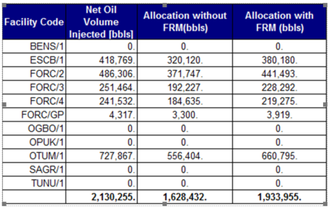

1,628,432.00 | 1,933,955.00 | 305,523.00

